IN USE
AshAdapt. Guidelines for phenotyping of clonal trials
The plan is to measure all trees. If the trial is large or difficult to assess it is OK just to measure 3-10 ramets per clone if easier (or 10 best and 10 bad performing clones)
Measurements: |  | Assess1: Gender, flushing I, diameter (DK) |  |  |  |  | Assess2: Flushing II (partners)
 |  | Assess 3: ADB + sampling (DK - partners are welcome!) |  |  |  |  | Day 4: Senescence I (partners) |  |  | Day 5: Senescence II (partners)
Trait 1 | Gender |  | Measure at the same time as first flushing assessment (if possible)
Base the observations on one branch (either cut it down or inspect with binoculars)
Score
0 | MMMM | Only male flowers visible
1 | FMMM | Mainly male, fertile stigmas also present (minority)
2 | FFMM | Half of each
3 | FFFM | Mainly female, fertile stames present (minority)
4 | FFFF | Only female flowers visible

MMMM |  |  | FMMM |  | FFMM |  | FFFM |  | FFFF
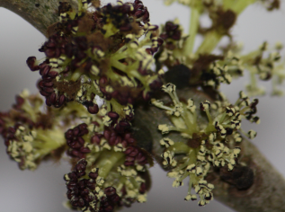
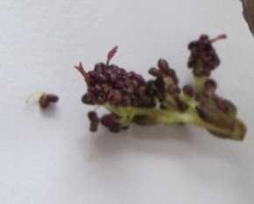
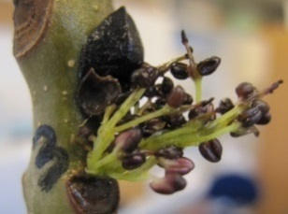
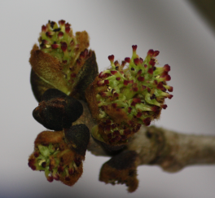
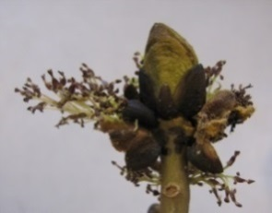

Trait 2 | Spring flushing. |  | Measure at two time points
Average score of the tree |  |  | (Photos in separate document)
We use an eight step scale reflecting the development of the leaf:
Score
0 | Winter stage, dormant buds
1 | Buds swollen, black and/or green bud scales enclose leaves completely
0
2 | Buds are bursting, leaves (just) visible
3 | Leaves very small, just escaped the bud
4 | Leaves open and glossy, shoot starting to stretch
5 | Leaves stretched markedly , still glossy
6 | Leaves full size, still "spring fresh" not completely hardened
7 | Mature, all leaves are dim and hardened
Trait 3 | DBH |  | Measure at the same time as phenology 1
 | Tree diameter "at breast height" (DBH) |  |  |  | Knee height! |  | (0.3 -0.5m or just below branching point in case of forking)

Disease symptoms (Traits 4a, 4b, 4c, 4d) |  |  |  | Measure once, ~1 month after flushing

Trait 4a | Crown damage
In AshAdapt we use two sets of scores depending on the age/size of the clones:
For trees more than 10 years old |  |  |  |  |  |  | For trees up to 10 years old
Score: | Crown Dieback proportion for trees with a crown |  |  |  |  |  | Crown Dieback proportion for seedlings and young trees
0 | No Symptoms |  |  |  |  | 0 | No Symptoms
a | < 10 % damage |  |  |  |  | 1 | < 10 % damage, marginal damage on stem and crown.
b | 10 – 25 % |  |  |  |  | 2 | < 50 % damage. Presence of dead parts in the crown and discolored necrotic parts on stem.
c | 25 – 50 %
d | 50 – 75 % |  |  |  |  | 3 | > 50 % damage. Prominent to highly dominant presence of damage on shoots, branches and stem, including larger necrotic areas on stem and branches
e | 75 – 99 %
f | 99- 99,99 % - Crown dead, but there might still be epicormic shoots on the trunk.
4 | 100 % – Dead |  |  |  |  | 4 | Dead

Trait 4b | Necrosis | Used for large and small trees
Score
0 | No necrosis
1 | few, non-significant necroses (each covering less than 50% of stem diameter)
2 | several, but non-significant necroses (each convering less than 50% of stem diameter)
3 | few, but serious necroses (each covering at least 50% of stem diameter)
4 | many serious necroses (each covering at least 50% of stem diameter)

Trait 4c | Epicormics (dead + living)
 | Elder trees (more than 10 Years) |  |  |  |  |  |  | For trees up to 10 years old
Score |  |  |  |  |  |  | Score
0 | No epicormic shoots |  |  |  |  |  | 0 | No epicormic shoots
1 | < 10 % | of crown dominated by epicormic shoots |  |  |  |  | 1 | < 10 % | of crown dominated by epicormic shoots
2 | 10 – 25 % of crown consists of living epicormic shoots | of crown dominated by epicormic shoots |  |  |  |  | 2 | 10-50% of crown dominated by epicormic shoots
3 | 25 – 50 % | of crown dominated by epicormic shoots |  |  |  |  | 3 | > 50% of crown dominated by epicormic shoots
4 | 50 – 75 % | of crown dominated by epicormic shoots |  |  |  |  | 4 | dead
5 | 75 – 100 % | of crown dominated by epicormic shoots

4d | Fraction of dead epicormics
 | Elder trees (more than 10 Years) |  |  |  |  |  |  | For trees up to 10 years old
Score |  |  |  |  |  |  | Score
0 | No epicormic shoots |  |  |  |  |  | 0 | No epicormic shoots
% | Percentage of epicormic shoots that are dead |  |  |  |  |  | 1 | 0-10 %
 |  |  |  |  |  |  | 2 | 10-20 %
 |  |  |  |  |  |  | 3 | 20-30%
 |  |  |  |  |  |  | 4 | 30-40%
 |  |  |  |  |  |  | 5 | 40-50%
 |  |  |  |  |  |  | 6 | 50-60%
 |  |  |  |  |  |  | 7 | 60-70%
 |  |  |  |  |  |  | 8 | 70-80%
 |  |  |  |  |  |  | 9 | 80-90%
 |  |  |  |  |  |  | 10 | 90-99 %
 |  |  |  |  |  |  | (11 | All epicormics dead)
Autumn senescence
Trait 5 | Leaf shed
First we assess the percentage of the foliage that has been shed we (try to exclude adb leaf loss)
 | 0 | No leaf shed detected
 | 1 | 0-10 % | <10 %
 | 2 | 11-20 % | <20 %
 | 3 | 21-30% | <30%
 | 4 | 31-40% | <40%
 | 5 | 41-50% | <50%
 | 6 | 51-60% | <60%
 | 7 | 61-70% | <70%
 | 8 | 71-80% | <80%
 | 9 | 81-90% | <90%
 | 10 | 91-99 % | <99 %
 | (11 | No leafs left)
Trait 6 | Senescence stage (how far into the dormancy stage is the tree on a scale from 0-10)
Trait 6 should reflect the overall autumn senescence stage of the tree based on the remaining leaves in the crown
Symptoms of senescence of foliage are: summer green colour becomes lighter, yellowing, brownish, withering (typically from the rim towards the middle) and crusted, dried out or hanging leaves.
Thus, the score is gradual and shows average tree senescence level (full dormancy = 100%)
NB! Average performance meaning that a tree showing prominent symptoms in a small part of the crown may score the same as a tree showing milder symptoms but in a larger part of the crown
 | 0 | All remaining leaves still summer green
 | 1 | Remaining crown shows 1-10% dormancy
 | 2 | Remaining crown shows 11-20% dormancy
 | 3 | Remaining crown shows 21-30% dormancy
 | 4 | Remaining crown shows 31-40% dormancy
 | 5 | Remaining crown shows 41-50% dormancy
 | 6 | Remaining crown shows 51-60% dormancy
 | 7 | Remaining crown shows 61-70% dormancy
 | 8 | Remaining crown shows 71-80% dormancy
 | 9 | Remaining crown shows 81-90% dormancy
 | 10 | Remaining crown shows 91-99% dormancy (highly pronounced senescence symptoms - almost dormant)
 | (11 | Complete senescence -All remaining leaves dead - 100% dormancy)

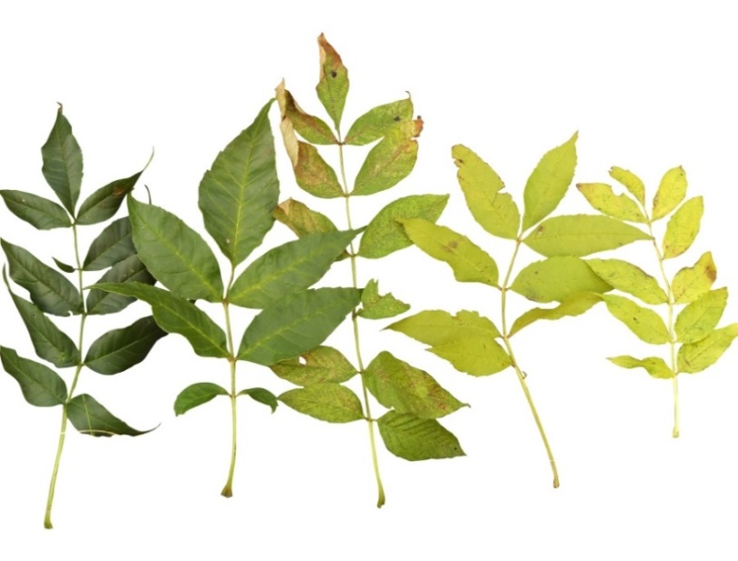
In Denmark we have also used this colour score. But it might not be usable in more southern parts of Europe
If not measurable, then please add a note |  |  |  |  |  | 0 | 1 | 2 |  | 3 | 4
Trait 7 | Leaf coloring (average performance of the tree)
 | Leas score
 | 0 | Dark green
 | 1 | Dark green with yellowing leaf nerves
 | 2 | Green with yellow spots on leaflets
 | 3 | Yellowing leaflets
 | 4 | Completely yellow leaves

OLD
AshAdapt. Guidelines for phenotyping of clonal trials
Measure all clones. If the trial is large it is OK just to measure 10 ramets per clone if easier
Measurements: |  | Day 1: Trait 1 and 2 |  | Day 2: Trait 3 and 4 | Day 3: second assessment of Trait 3 |  |  |  | Day 4: Trait 5 |  | Day 5: Trait 6 and/or 7 |  | Day 6: Traits 6 and/or 7 again

Trait 1 | Gender |  | Measure once before flushing (in Denmark approximately one-two weeks before initial flushing). If not possible, then score at the same time as first flushing assessment
 | Base the observations on one branch (either cut it down or inspect with binoculars)
 | Score
 | FFFF | Only female flowers visible
 | FFFM | Mainly female, fertile stames present (minority)
 | FFMM | Half of each
 | FMMM | Mainly male, fertile stigmas also present (minority)
 | MMMM | Only male flowers visible

Trait2 | Flower intensity |  | Measure once, the same day as gender is scores
 | Please use the following logarithmic scale
 | Class 0 | No flowers
 | Class 1 | 1-5 clusters of flowers
 | Class 2 | 6-20 clusters
 | Class 3 | 21-100 clusters
 | Class 4 | 101-500 clusters
 | Class 5 | 501-1000 clusters
 | Class 6 | More than 1000 cluster of flowers

Trait 3 | Spring flushing. |  | Please measure at two time points so that we capture the variation in leaf phenology
 | We use a 1-9 scale reflecting the development of the leaf:
 | 1 | Winter stage
 | 2 | Bud scales open, leaves visible
 | 3 | Beginning of shoot growth, leaves folded
 | 4 | More shoot growth, leaves half folded
 | 5 | Shoot growth, leaves open and glossy
 | 6 | Double leaf growth, still glossy
 | 7 | Increased leaf width, beginning to dim
 | 8 | Leaves dim on oldest leaf whorl, still glossy in top of shoot
 | 9 | All leaves dim

Trait 4 | DBH |  | Measure at the same time as spring flushing
 | Tree diameter at breast height (DBH)

Trait 5 | Health score |  | Measure once, 1 month after flushing
 | We use two sets of scores depending on the ages of the clones:
 | For trees more than 10 years old |  |  |  |  | For trees up to 10 years old
 | Score: | Crown Dieback proportion for trees with a crown |  | Score: |  | Crown Dieback proportion for seedlings and young trees
 | 0 | No Symptoms |  |  | 0 | No Symptoms
 | a | < 10 % damage |  |  | 1 | < 10 % damage, marginal damage on stem and crown.
 | b | 10 – 25 % |  |  | 2 | < 50 % damage. Presence of dead parts in the crown and discolored necrotic parts on stem.
 | c | 25 – 50 %
 | d | 50 – 75 % |  |  | 3 | > 50 % damage. Prominent to highly dominant presence of damage on shoots, branches and stem, including larger necrotic areas on stem and branches
 | e | 75 – 99 %
 | f | 99- 99,99 % - Crown dead, but there might still be epicormic shoots on the trunk.
 | 4 | 100 % – Dead |  |  | 4 | Dead



 | Autumn senescence |  | Please measure Trait 6 and 7 once or twice
Trait 6 | Leaf coloring
 | In Denmark we use the following leaf colour scale:
 | 0 | Dark green
 | 1 | Dark green with yellowing leaf nerves
 | 2 | Green with yellow spots on leaflets
 | 3 | Yellowing leaflets
 | 4 | Completely yellow leaf

Trait 7 | Leaf shed due to senescence
 | Percent remaining green leaves in crown
 | 0 | Crown intact |  |  |  |  | 0 | 1 |  | 2 | 3 | 4
 | 1 | 0-25 (up to one fourth of the crown is intact and green)
 | 2 | 26-50 (up to half is left)
 | 3 | 51-75 (half – three quarters of the crown is intact and green)
 | 4 | 76-100 (almost leaves are shed)

